Sheet1
 | Logitech F310/F710
(MODE should be OFF since it swaps the D-pad and left stick. The input mode switch on the back should be set to X. D makes LT and RT binary buttons)

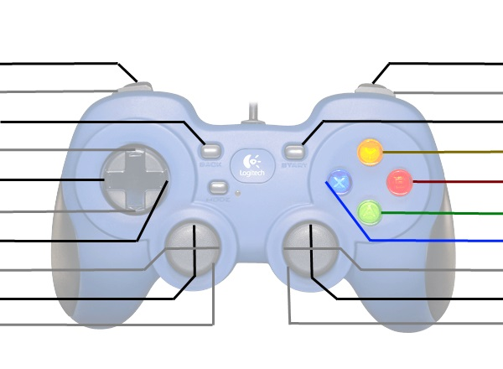
6 and LT 0..255 |  | 7 and RT 0..255
4 |  | 5
8 |  | 9
12 |  | 3
13 |  | 1
14 |  | 0
15 |  | 2
LX -254(left)..254(right) |  | RX -254(left)..254(right)
LY -254(down)..254(up) |  | RY '-254(down)..254(up)
10 |  | 11

